Pet Shops
 | FLASH FILL - A PATTERN MATCHING FEATURE IN 2013 WITH MANY USES

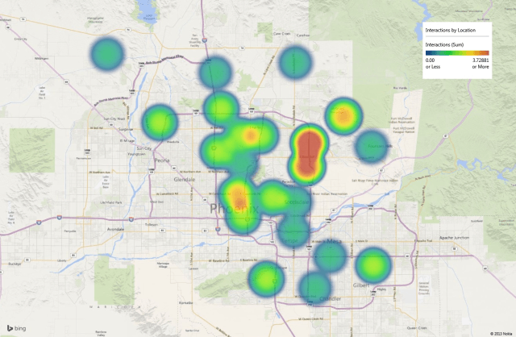
SHOP NAME | ADDRESS | Column3 | Column1 | Column2
Glenands Pet Stores | No.35, Church Street, M G Road, Bangalore - 560001, Next To Vodafone Shop (Map) | No.35 | 560001
Dee Jay Pet Paradise | No.18, E Street Jayrajnagar, Ulsoor, Bangalore - 560008, Opp Millenia Tower | No.18 | 560008
Sharin Kennels | No.18, E Street Jayrajnagar, Ulsoor, Bangalore - 560008, Opp Millenia Tower | No.18 | 560008
Tornado Pets | No.394, 12th Main,57th Cross, Rajajinagar, Bangalore - 560010, Opposite ICICI Bank | No.394 | 560010
Heavy Petting | No.394, 12th Main,57th Cross, Rajajinagar, Bangalore - 560010, Opposite ICICI Bank | No.394 | 560010
K9 Pets & Kennels | No 1427,Thimmanahalli, Kamakshipalya, Bangalore - 560079 | No 1427 | 560079
Pet Land | No 1427,Thimmanahalli, Kamakshipalya, Bangalore - 560079 | No 1427 | 560079
JUNO PETS | No.19, E Street Jayrajnagar, Ulsoor, Bangalore - 560008, Opp Zebron Tower | No.19 | 560008
Lovy Dovy | No.445, 12th Main,58th Cross, Rajajinagar, Bangalore - 560010, Opposite ICICI Bank | No.445 | 560010
TRUE PETS | No.18, E Street Jayrajnagar, Ulsoor, Bangalore - 560008, Opp Millenia Tower | No.18 | 560008
GROWL | No.19, E Street Jayrajnagar, Ulsoor, Bangalore - 560008, Opp Millenia Tower | No.19 | 560008
MEAOW | No.397, 12th Main,57th Cross, Rajajinagar, Bangalore - 560010, Opposite ICICI Bank | No.397 | 560010
MEEN CENTRE | No.398, 12th Main,57th Cross, Rajajinagar, Bangalore - 560010, Opposite ICICI Bank | No.398 | 560010
TWEETY TWEET | No 1427,Thimmanahalli, Kamakshipalya, Bangalore - 560079 | No 1427 | 560079
GO BOY | No 1427,Thimmanahalli, Kamakshipalya, Bangalore - 560079 | No 1427 | 560079
BHOW BHOW | No.19, E Street Jayrajnagar, Ulsoor, Bangalore - 560008, Opp Zebron Tower | No.19 | 560008
REPTILE LOVERS | No.445, 12th Main,58th Cross, Rajajinagar, Bangalore - 560010, Opposite ICICI Bank | No.445 | 560010

